Country V
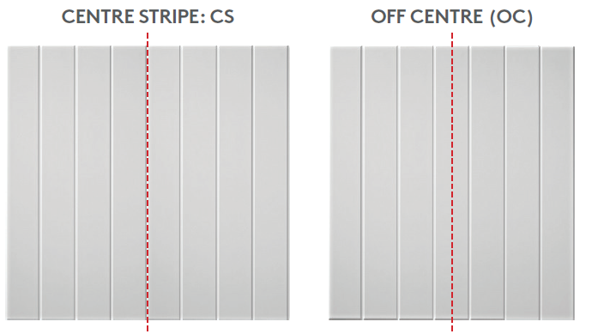

FormWrap®: Country V Panel width calculator
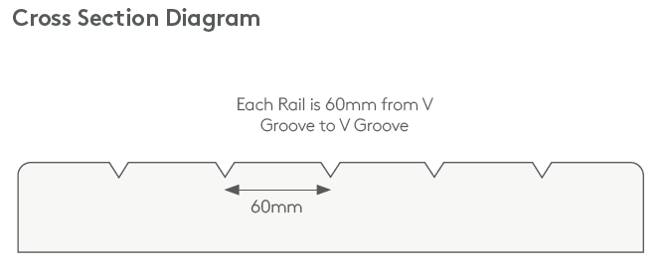

Use this calculator to adjust rail widths if you do not want your outer rail widths to be variable

Default rail width | 60

Round up |  | step 2: rounding the 'initial number of rails' up and down to determine the final number of rails for this panel ←
Round Down |  |  |  |  |  |  | Outer rails

step 1: add total panel width ↓ |  | If initial number of rails is not a whole number indicate one of below override rail widths for your panel(s) |  | step 3: determine adjusted rail width by considering Recommended CS or OC option. Also consider which adjusted rail width is closest to the default rail width. | Recommended option
 | = initial number of rails |  |  |  | Choose | For
Full Panel Width | Initial number of rails | Round Up: Adjusted Rail width | Round Down: Adjusted Rail width |  | Centre Stripe (CS) | Even number of rails
 | 0.00 | #DIV/0! | #DIV/0! |  | Off Centre (OC) | Odd number of rails

Instructions

Clarification on which cells to populate in the 'Calculator' tab

• Step 1: Enter the total panel width in cell B18 (B18 shown as example only; clear this cell and start here)
• This will automatically populate the number of rails based on the default rail width
• Step 2: In the instance the initial number of rails is not a whole number, round up and populate cell C12 and also round down and populate cell C13
• If the number of rails is a whole number, simply nominate CS (for an even number) or OC (for an odd number) as per recommended option. Rail width will be the default 60mm
• Step 3: In th PDF order form, indicate either CS or OC and the adjusted rail width in the comments section, per row

N.B. This document acts as a calculator only to assist you in filling in your order form - this will not form part of your order form Where the customer does not indicate CS / OC or adjustments to rail widths for this profile, the default setting and therefore items received will be CS with 60mm rail widths and variable width other rails.

Newport
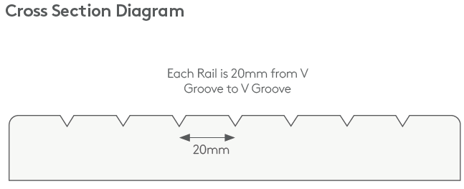
FormWrap®: Country V Panel width calculator

Use this calculator to adjust rail widths if you do not want your outer rail widths to be variable

Default rail width | 20

Round up |  | step 2: rounding the 'initial number of rails' up and down to determine the final number of rails for this panel ←
Round Down |  |  |  |  |  |  | Outer rails

step 1: add total panel width ↓ |  | If initial number of rails is not a whole number indicate one of below override rail widths for your panel(s) |  | step 3: determine adjusted rail width by considering Recommended CS or OC option. Also consider which adjusted rail width is closest to the default rail width. | Recommended option
 | = initial number of rails |  |  |  | Choose | For
Full Panel Width | Initial number of rails | Round Up: Adjusted Rail width | Round Down: Adjusted Rail width |  | Centre Stripe (CS) | Even number of rails
 | 0.00 | #DIV/0! | #DIV/0! |  | Off Centre (OC) | Odd number of rails

Instructions

Clarification on which cells to populate in the 'Calculator' tab

• Step 1: Enter the total panel width in cell B18 (B18 shown as example only; clear this cell and start here)
• This will automatically populate the number of rails based on the default rail width
• Step 2: In the instance the initial number of rails is not a whole number, round up and populate cell C12 and also round down and populate cell C13
• If the number of rails is a whole number, simply nominate CS (for an even number) or OC (for an odd number) as per recommended option. Rail width will be the default 60mm
• Step 3: In th PDF order form, indicate either CS or OC and the adjusted rail width in the comments section, per row

N.B. This document acts as a calculator only to assist you in filling in your order form - this will not form part of your order form Where the customer does not indicate CS / OC or adjustments to rail widths for this profile, the default setting and therefore items received will be CS with 60mm rail widths and variable width other rails.

